Sheet1
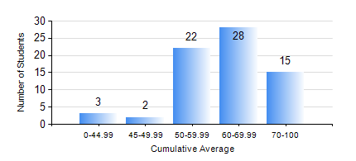
 |  |  | KWAME NKRUMAH UNIVERSITY OF SCIENCE AND TECHNOLOGY, KUMASI Department of Mechanical Engineering

 |  |  | BSC. INDUSTRIAL ENG.

 |  |  | COMPREHENSIVE RECORD OF EXAMINATION RESULTS

 |  |  | RESULTS OF YEAR 1 SECOND SEMESTER, 2022/2023 ACADEMIC YEAR

 | Sn | Course Code |  | Course Name | Credit Hours | Min. Mark | Max. Mark | Avg. Mark | Std. Dev. | No. Passed | No. Trailed | No. (Df) | No. (I) | No. (I*) | No. Tagged(I,I*,Df) | Total
 | 0. |  |  |  |  |  |  | 0 | 0 | 0 | 0 | 0 | 0 | 0 | 0 | 3
 | 1. | EE 152 |  | BASIC ELECTRONICS | 2 | 30 | 83 | 52 | 12.7 | 59 | 8 | 0 | 0 | 0 | 0 | 67
 | 2. | ENGL 158 |  | COMMUNICATION SKILLS II | 2 | 35 | 85 | 70 | 10.58 | 66 | 1 | 0 | 0 | 0 | 0 | 67
 | 3. | IE 174 |  | FIRST YEAR DESIGN PROJECT | 2 | 47 | 87 | 71 | 7.39 | 67 | 0 | 0 | 0 | 0 | 0 | 67
 | 4. | MATH 152 |  | CALCULUS WITH ANALYSIS | 4 | 61 | 81 | 72 | 3.91 | 67 | 0 | 0 | 0 | 0 | 0 | 67
 | 5. | ME 160 |  | ENGINEERING DRAWING | 3 | 43 | 86 | 65 | 10.28 | 67 | 0 | 0 | 0 | 0 | 0 | 67
 | 6. | ME 164 |  | STATICS OF SOLID MECHANICS | 2 | 42 | 98 | 77 | 14.38 | 67 | 0 | 0 | 0 | 0 | 0 | 67
 | 7. | ME 168 |  | COMPUTER PROGRAMMING FOR ENGINEERS | 2 | 17 | 91 | 57 | 17.01 | 63 | 4 | 0 | 0 | 0 | 0 | 67

